Sheet1
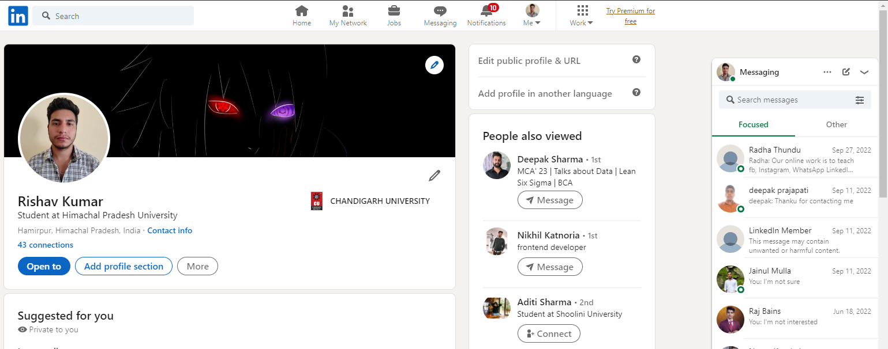
Name | Rishav Kumar
Section | 22MCD-1
Group | A
Date of experiment | 2023-03-22
Object Type | Website
Link/URL | https://www.linkedin.com/in/rishav-kumar-855535236/
Number of Test Cases | 24
Mannual/Automatic | Mannual

Name Field | Description | Test Procedure | Expected Result | Actual Result | Pass/Fail

 | Verify the entry for Name field | Enter value "Rishav123" | An error message should be displayed for entering numerical values. | "Name must be in aphlabetic characters and between (3-32)." | Pass
 | Verify the entry for Name field | Enter value "Rishav@" | An error message should be displayed for entering numerical values. | "Name must be in aphlabetic characters and between (3-32)." | Pass
 | Verify the entry for Name field | Enter value "?/%@" | An error message should be displayed for entering special characters. | "Name must be in aphlabetic characters and between (3-32)." | Pass
 | Verify the entry for Name field | Enter value "RIVshaV" | An error message should be displayed for entering roman values. | "Name must be in aphlabetic characters and between (3-32)." | Pass
 | Verify the entry for Name field | Enter value "Ri" | An error message should be displayed for entering less than 3 characters | "Name must be in aphlabetic characters and between (3-32)." | Pass
 | Verify the entry for Name field | Enter value "12348" | An error message should be displayed for entering numerical values. | "Name must be in aphlabetic characters and between (3-32)." | Pass
 | Verify the entry for Name field | Enter value "NYXHFOyJiOmRCHebbJZnMtcpiuZQHULNca" | An error message should be displayed for entering more than 32 characters. | "Name must be in aphlabetic characters and between (3-32)." | Pass

Password Field | Verify the entry for Password field | Enter value "rishavkumar" | An error message should be displayed to enter Uppercase, Lowercase, Numberical and Special symbol. | "Password must contain one Uppercase, Lowercase, Numberical and Special symbol." | Pass
 | Verify the entry for Password field | Enter value "RISHAVKUMAR" | An error message should be displayed to enter Uppercase, Lowercase, Numberical and Special symbol. | "Password must contain one Uppercase, Lowercase, Numberical and Special symbol." | Pass
 | Verify the entry for Password field | Enter value "rishavKumar123" | An error message should be displayed to enter Uppercase, Lowercase, Numberical and Special symbol. | "Password must contain one Uppercase, Lowercase, Numberical and Special symbol." | Pass
 | Verify the entry for Password field | Enter value "rishavKumar@" | An error message should be displayed to enter Uppercase, Lowercase, Numberical and Special symbol. | "Password must contain one Uppercase, Lowercase, Numberical and Special symbol." | Pass
 | Verify the entry for Password field | Enter value "12345678" | An error message should be displayed that consecutive numbers can't be a password. | "Password must contain one Uppercase, Lowercase, Numberical and Special symbol." | Pass
 | Verify the entry for Password field | Enter value "@(&*@/?" | An error message should be displayed to enter Uppercase, Lowercase, Numberical and Special symbol. | "Password must contain one Uppercase, Lowercase, Numberical and Special symbol." | Pass
 | Verify the entry for Password field | Enter value "R1sh@v" | An error message should be displayed password must be between (8-32) characters. | "Password must be 6 characters or more." | Pass

Email Field | Verify the entry for Email field | Enter value "R1sh@v" | An error message should be displayed to enter a valid email. | "Please enter a valid email address" | Pass
 | Verify the entry for Email field | Enter value "111@gmail.com" | An error message should be displayed to enter a valid email. | "Please enter a valid email address" | Pass
 | Verify the entry for Email field | Enter value "R1sh@vcom" | An error message should be displayed to enter a valid email. | "Please enter a valid email address" | Pass
 | Verify the entry for Email field | Enter value "arkaygmail.com" | An error message should be displayed to enter a valid email. | "Please enter a valid email address" | Pass
 | Verify the entry for Email field | Enter value "1223636" | An error message should be displayed to enter a valid email. | "Please enter a valid email address" | Pass
 | Verify the entry for Email field | Enter value "#$%^&&@@" | An error message should be displayed to enter a valid email. | "Please enter a valid email address" | Pass

Phone Number Field | Verify the entry for Phone Number field | Enter value "#$%^&&@@" | An error message should be displayed to enter a valid phone number. | "Please enter a valid number" | Pass
 | Verify the entry for Phone Number field | Enter value "12345567" | An error message should be displayed to enter number 10-11 digits long. | "Please enter a valid number" | Pass
 | Verify the entry for Phone Number field | Enter value "70183E817A" | An error message should be displayed to enter only numerical digits. | "Please enter a valid number" | Pass
 | Verify the entry for Phone Number field | Enter value "8383838373664" | An error message should be displayed to enter a valid phone number. | "Please enter a valid number" | Pass

